Sheet1
МЕХАНИЗЪМ РЕЛАКС - РЕКЛАЙНЕР МЕХАНИЧЕН

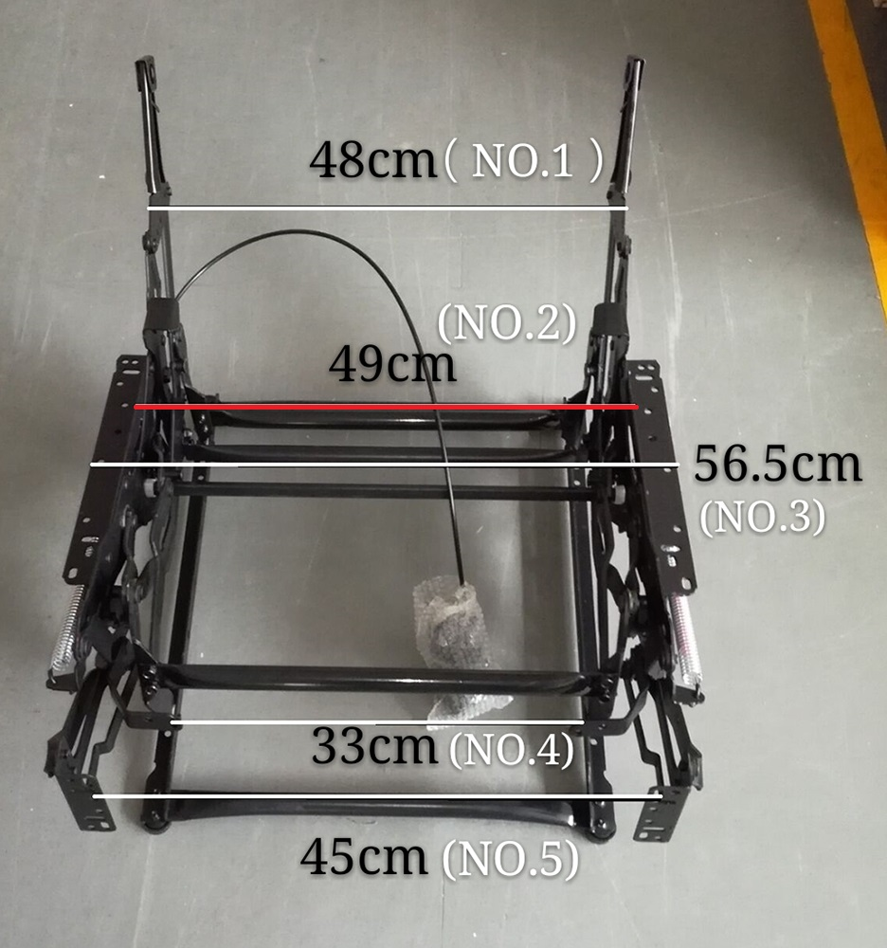
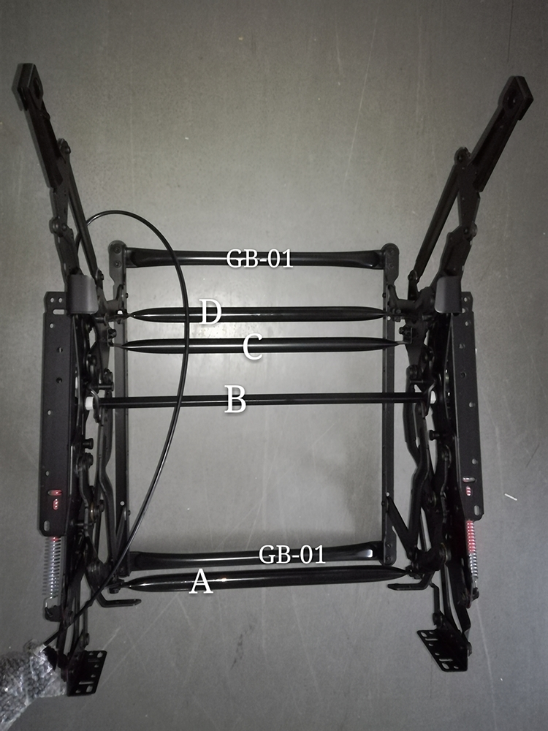

MODEL | DISTANCE (CM) |  |  |  |  | EXTERIOR SIZES OF CONNECTION TUBES(CM)
 | NO.1 | NO.2 | NO.3 | NO.4 | NO.5 | A | B | C | D | GB-01
OD-4311/49cm | 48 | 49 | 56.5 | 33 | 45 | 41.5 | 55 | 43.5 | 41.5 | 46

